Sheet1
Total Crash vs Atmospheric Condition
Atmospheric Condition | Total Crash
Clear | 24786
Cloudy | 4593
Rain | 2613
Not Reported | 2444
Fog, Smog, Smoke | 364
Snow | 281
Reported as Unknown | 204
Severe Crosswinds | 54
Freezing Rain or Drizzle | 35
Blowing Snow | 26
Sleet or Hail | 26
Other | 20
Blowing Sand, Soil, Dirt | 5

Number Of Accident vs Light Condition Name
Light Condition Name | Number of Accident
Daylight | 16236
Dark - Not Lighted | 9695
Dark - Lighted | 7373
Dusk | 951
Dawn | 645
Dark - Unknown Lighting | 335
Reported as Unknown | 126
Not Reported | 73
Other | 17

10 countries with the most crashes
State | Total Crash
Texas | 3520
California | 3487
Florida | 3097
Georgia | 1516
North Carolina | 1410
Ohio | 1154
Illinois | 1076
Tennessee | 1070
Pennsylvania | 1060
Michigan | 1010

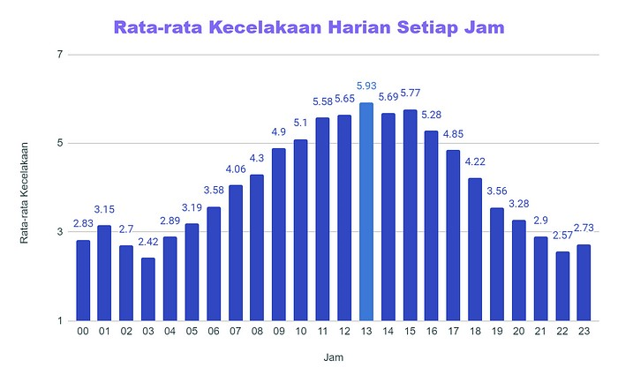
Jam | Rata - rata Kecelakaan
0 | 2.83
1 | 3.15
2 | 2.70
3 | 2.42
4 | 2.89
5 | 3.19
6 | 3.58
7 | 4.06
8 | 4.30
9 | 4.90
10 | 5.10
11 | 5.58
12 | 5.65
13 | 5.93
14 | 5.69
15 | 5.77
16 | 5.28
17 | 4.85
18 | 4.22
19 | 3.56
20 | 3.28
21 | 2.90
22 | 2.57
23 | 2.73

Type Of Driver | Total Accident | Drunk Driver Level | Total Fatalities | Fatalities rate
No Drunk | 26310 | 7.4215113819E+21 | 28353 | 1.0776510832E+22
Drunk | 9141 | 2.5784886181E+21 | 10138 | 1,109,069,029,646,640,000

Percentage of accidents caused by drunk drivers

Crash By Drunk | Total Crash | Total Fatality
crash_by_drunk_driver | 9141 | 10138
crash_not_drunk_driver | 26310 | 28353
number of fatalities due to accidents

Land Use Name | Total Accidents | Percentage
Rural | 14845 | 42.45
Urban | 20123 | 57.55
Percentage Of Crashes In Urban and Rural

Day | Total Crash
Sunday | 6327
Saturday | 5812
Monday | 4997
Friday | 4893
Thursday | 4586
Wednesday | 4479
Tuesday | 4357

Number Of Accidebts by Day

